UX
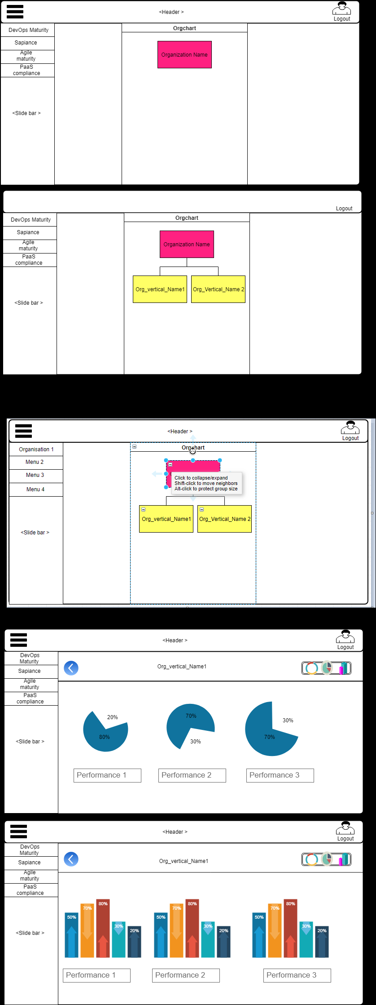
Side Bar
Technology Maturity | (Get the hierarchy clicked and pull reports )

(Reports display)

Form to capture Data/ by Execl Upload

